2 - Fund. of Computer Systems
Item | Definition | Explained | ChatGPT | Notes | Pictures
Von Neumann Architecture |  | Key features: - Programs are not fixed, but stored in memory along with data - Any computer that follows Von Neumann architecture is easily reprogrammable - 3 basic components: 1: I/O interfaces, 2: CPU, 3: memory - Buses carry data around - Built with chips, which themselves contain logic games (AND/OR) | Von Neumann architecture is a computer architecture model that describes a design where a computer's processing unit, memory, and input/output devices are organized and interconnected. It is named after John von Neumann, who developed the concept. In simple terms, the Von Neumann architecture consists of: - Central Processing Unit (CPU): Responsible for executing instructions and performing calculations. - Memory: Stores both data and instructions that the CPU uses during processing. - Input/Output (I/O) Devices: Allow the computer to interact with the external environment, such as keyboards, monitors, and storage devices. The key characteristic of Von Neumann architecture is that it uses a unified memory space for both data and instructions, meaning that instructions and data are stored in the same memory and are treated the same way. This architecture forms the basis for most general-purpose computers today. | Memory in Von Neumann architecture stores data and instructions. It’s a chip that contains billions of data cells. A data cell stores a single bit, but can be built using multiple techniques. Mulitplexors can be used to fetch data (or instructions) from memory. | 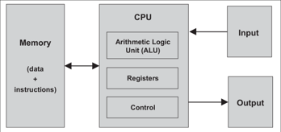
Registers | Very fast memory on the CPU. Small amounts of fast memory
Control Unit | In charge of deciding what’s the next step for the unit | The control unit runs the fetch – decode – execute loop, or instruction cycle. - Fetch - the CU takes the next instruction, and advances the program counter (PC) to the next instruction. - Decode: the CU interprets the instruction - Execute: the CU sends a sequence of signals to the relevant functional units, takes the results and places them in the right registers. - As a result of the execute stage, the PC may be updated.
Memory/RAM | An array of bytes/words. It reads and writes bytes/words
Arithmetic Logic Unit | Carries out arithmetic and logic operations on the operands in computer instruction words |  |  | Example: interger operand A = 4, B = 3, the opcode could be add, and therefore the integer result will become 7. | 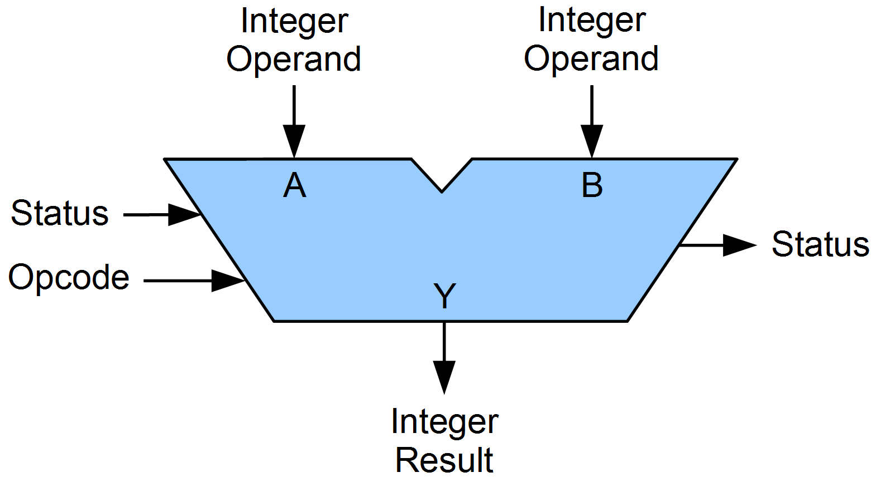
Fetch-Decode-Execute Cycle | The Fetch-Decode-Execute cycle, often referred to as the instruction cycle, is a fundamental concept in computer architecture that describes how a computer's central processing unit (CPU) carries out program instructions. This cycle is the basis for the execution of all instructions in a computer's memory. Here's an explanation of each stage in the Fetch-Decode-Execute cycle:
Fetch | In this stage, the CPU fetches the next instruction from memory. The program counter (PC) is used to keep track of the memory address of the next instruction to be executed. The CPU reads the instruction located at the memory address pointed to by the PC and stores it in a special register called the instruction register (IR). |  | Fetch is when the computer grabs the next instruction it needs to follow from its memory. It uses a program counter to remember where this instruction is. The computer then reads this instruction and puts it in a special spot called the instruction register.
Decode | Once the instruction is fetched and stored in the IR, the CPU needs to understand what operation the instruction is commanding it to perform. This is the decode stage. The CPU decodes the instruction in the IR to determine the operation to be executed and the operands (data) involved in the operation. It identifies the opcode (operation code) that specifies the operation and any associated data or memory addresses. |  | Decode is when the computer figures out what a fetched instruction is telling it to do. After fetching the instruction and storing it in the instruction register, the CPU decodes it by identifying the operation to be done and the data involved. This involves looking at the opcode (operation code) to understand the operation and any associated data or memory locations.
Execute | With the instruction decoded, the CPU proceeds to execute it. The specific action taken during this stage depends on the type of instruction. It could involve arithmetic or logical operations, data transfers between registers and memory, branching to a different part of the program, or other actions as specified by the instruction. This stage may also involve updating the program counter (PC) to point to the next instruction to be fetched, depending on whether the instruction is a control transfer instruction (e.g., a branch or jump instruction). |  | Execute is when the computer actually does what the instruction says. After figuring out the instruction in the decode stage, the CPU performs the specific action mentioned in the instruction. This action could be math, moving data around, jumping to another part of the program, or other things specified by the instruction. The program counter might also be updated to know where to fetch the next instruction, especially if the instruction is about going to a different part of the program.
Input/Output Devices |  |  | Input/output (I/O) devices are tools that let you interact with a computer. They either send information into the computer (input) or display information from the computer (output) In summary, input devices help you tell the computer what to do, while output devices show you the results or outcomes of those instructions. | Input Devices: - Examples: Keyboard, mouse, touchpad, microphone. - Function: These devices send data to the computer. For instance, when you type on a keyboard, the computer receives the letters as input. Output Devices: -Examples: Monitor (screen), printer, speakers. -Function: These devices display or produce information from the computer. For example, the monitor shows what you're doing, and speakers play sound.
Memory-mapped IO | a special region of memory is associated with I/O peripherals. CPU instructions for accessing the memory can be used for accessing peripherals. |  |  | Example: LED
Port-mapped IO | special instructions perform I/O operations.

3 - Operating Systems
Item | Definition | Explained | ChatGPT | Notes | Pictures
The Cloud Software Stack |  |  |  | Higher to lower levels: Applications (e.g. web browser), containers (e.g. docker), operating system (e.g. Linux), virtual machine (e.g. VirtualBox), hardware (e.g. server rack) | 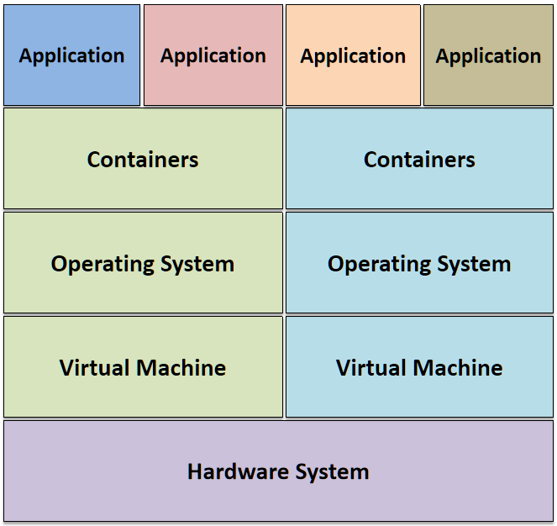
Middleware | software that acts as a bridge between an operating system or database and applications, especially on a network. |  | Middleware is like a bridge between different computer programs. It helps them talk to each other and share information, making it easier for separate systems to work together. | Example: Web Middleware: - Example: Node.js - Function: Facilitates communication between web servers and applications, often used for building dynamic and scalable web applications. Other examples include programming languages
Threads | Threads are independent units of computation (sequences of instructions, plus some small context) that can be scheduled for execution on a CPU. The scheduler is part of the operating system. Threads are created within a process, and share the same process address space (i.e. two threads could modify the same variable in a process). | Why do we need threads? - To enhance parallel processing - To increase response to the user - To utilize the idle time of the CPU - E.g. in a process with two threads, one thread might be waiting for some user input, while other thread does some computation - Prioritize your work
Threads and Processes |  |  | 1. One Thread + One Process: One sequence of instructions (thread) is executed at a time. All tasks, including computation and I/O, are handled sequentially. Limited parallelism and may not fully utilize multi-core processors. 2. One Process + Multi Threads: Threads within the same process share the same resources (memory space, file descriptors, etc.). Threads can work concurrently, potentially improving performance. Improved parallelism compared to a single-threaded process. 3. Multi Processes (Each with One Thread): Processes operate independently, with separate memory spaces. Increased reliability because if one process fails, others may continue to run. Overhead in communication between processes (inter-process communication or IPC) if coordination is required. 4. Multi Processes + Multi Threads (Hybrid Model): Combines advantages of both multi-processing and multi-threading. Processes operate independently, providing fault isolation, and each process can have multiple threads for parallel execution. Requires careful synchronization and coordination between threads and processes. | Choosing between these models depends on the nature of the task, hardware architecture, and the desired trade-offs between parallelism, fault tolerance, and complexity of synchronization. Benefits of Threads vs Processes: - Far less time to create a new thread than a new process - Less time to terminate a thread than a process - Less time to switch between two threads within the same process than to switch between processes - Threads can communicate via shared memory | 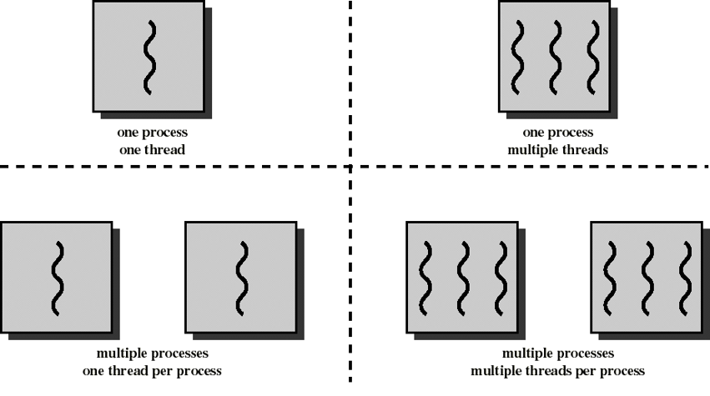
Operating system | There isn't a great definition of an operating system. It's basically the piece of system software that manages computer hardware and the rest of the software. |  | An operating system (OS) is system software that manages computer hardware, software resources, and provides common services for computer programs. It acts as an intermediary between users and the computer hardware, facilitating the execution of applications and ensuring efficient use of system resources.
Stack | A stack, which stores local variables A stack frame is created/pushed whenever a function is called A stack frame is deleted/popped whenever a function returns |  | In computing, a stack is a data structure that follows the Last In, First Out (LIFO) principle. It is a collection of elements with two main operations: push, which adds an element to the top, and pop, which removes the top element. The most recently added item is the first one to be removed. Think of it like a stack of plates – you add a plate to the top and take the top one off when you need it. Stacks are commonly used in programming for managing function calls, storing local variables, and handling recursive algorithms.
Heap | A heap, for dynamically allocated memory (typically handled by libc) One can request memory for an object (contiguous chunk of bytes) One should declare when an object is not in use anymore, so memory can be reclaimed |  | In computing, the heap is a region of a computer's memory used for dynamic memory allocation. Unlike the stack, which follows a Last In, First Out (LIFO) order, the heap allows for more flexible memory management. Developers can allocate and deallocate memory at any time, making it suitable for data structures and objects with unpredictable or varying lifetimes. The heap is essential for tasks such as creating and managing dynamic data structures like linked lists, trees, and objects in programming languages that support dynamic memory allocation, such as C or C++.

4 - VMs and Containers
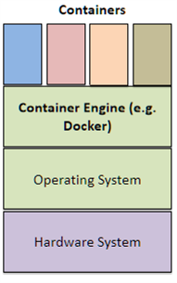
Item | Definition | Explained | ChatGPT | Notes | Pictures
Virtual Machine |  | A virtual machine manager (VMM), aka hypervisor, runs on top of the underlying system (OS and/or hardware). The virtual machines running on top each think they run on their own hardware. Thus, each virtual machine needs its own operating system. Different VMs may have different operating systems. Simulating hardware in software is slow. The underlying OS and HW may have virtualization support: The fake HW is the real HW, plus some protection and exception handlers. | A virtual machine is like a pretend computer inside a real computer. It lets you run different operating systems or software on your computer without changing anything on the actual machine. | Example: VirtualBox Three characteristics of VMM (Virtual Machine Managers): Fidelity: Software on the VMM executes identically to its execution on hardware, barring timing effects. Performance: An overwhelming majority of guest instructions are executed by the hardware without the intervention of the VMM. Safety: The VMM manages all hardware resource - VM image usually takes 10s GBs | 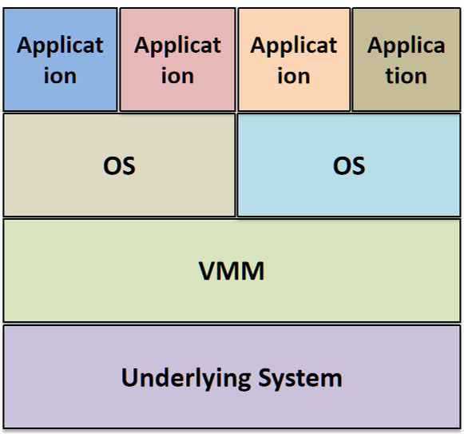
Containers | A running group of processes, isolated from other processes on the computer; in particular, they have their own file system | A container engine runs as a normal application, on top of an operating system. Each container is a normal operating system process, thus enjoying memory isolation. (This process can spawn children.) | Containers are like virtual boxes that bundle up software and everything it needs to run. They make it easy to move and run applications consistently across different computers. | Example: docker A container image usually takes 10s MBs - the userlying OS can be anything
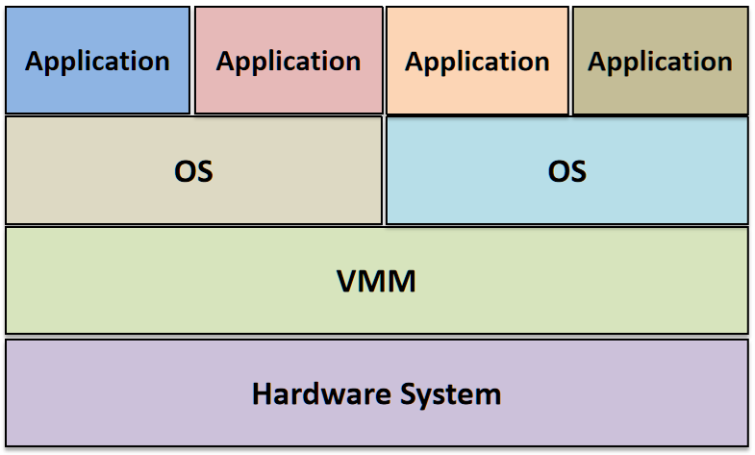
Native/Bare Metal VM | Native (bare metal | Better performance |  | e.g. VMWare, MS Hyper-V
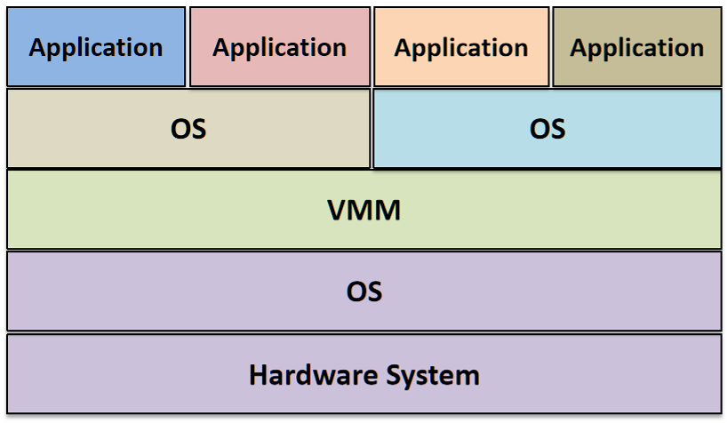
Hosted VM |  | More practical/Less invasive |  | E.g. VirtualBox

5+6 - Network Protocols
Item | Definition | Explained | ChatGPT | Notes | Pictures
Packet | Packet transmissions means that data is sent over as multiple packages. | Packages are transmited individually and independently of one another. Packets are routed through the network, and they all attempt to arrive as quickly as possible. If packages aren't able to make it the first time, the packet can be re-requested. In addition, packets can get corrupted along the way, and can be sent with check sums and error correction code. This increase the size of the overall packet, but increases reliability | In networking, a packet is like a small parcel of data. It's a chunk of information that computers exchange over a network. Imagine it as a digital envelope containing a message that travels between devices, such as computers or servers, allowing them to communicate with each other. | Has a maximum length of 65,535 bytes
Protocol Layer (also called the OSI Protocol Model, or the Open Systems Interconnection Protocol Model) | Each layer extends properties of underlying communication system Layers: - Physical: bits (information) send across a transmission medium (cable, air, …) - Data Link: bits combined into blocks for transmission, flow and routing is managed - Network: blocks of information, routed across a network of data links, independent of physical medium - Transport: enables multiple applications on the same host, and provides services e.g. reliable transmission - Session, Presentation, Application: different services for application program | The layers help with abstraction. We start at a higher layer (e.g. application), and then we move data down the layers, adding additional data corresponding to each of the layers. Application header for exmaple describes message, transport divides message into packages, and adds order ID, network layer adds addresses, data link adds error detection, physical layer encodes signals. Messages when sent go down the stack, decomposed into packets, and their representation is either amended or changed. When the message is received on the other end, it goes up the stack, and the representation is restored, reconstituting it back into a whole message. |  |  | 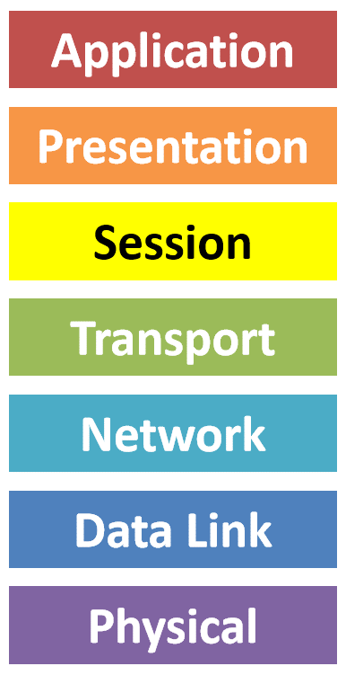
Application Layer | Provides network services directly to end-user applications and ensures that data is available in a comprehensible format. HTTP (HyperText Transfer Protocol), FTP (File Transfer Protocol), SMTP (Simple Mail Transfer Protocol), and DNS (Domain Name System). | Function: This layer provides network services directly to end-user applications. Details: It is the closest layer to the end-user and interacts with software applications that implement a communicating component. It provides functionalities such as identifying communication partners, determining resource availability, and synchronizing communication. Common protocols at this layer include HTTP for web browsing, FTP for file transfers, SMTP for email, and DNS for domain name resolution.
Presentation Layer | Translates data between the application layer and the network, ensuring data is in a usable format, often handling encryption and compression. SSL/TLS (Secure Sockets Layer/Transport Layer Security), JPEG, and ASCII (American Standard Code for Information Interchange). | Function: This layer translates data between the application layer and the network. Details: It handles data formatting, encryption, and decryption, as well as data compression. It ensures that data sent by the application layer of one system can be read by the application layer of another system. It translates between different data formats and encodings (e.g., converting from EBCDIC to ASCII).
Session Layer | Manages sessions or connections between applications, handling setup, maintenance, and termination. NetBIOS (Network Basic Input/Output System), RPC (Remote Procedure Call), and PPTP (Point-to-Point Tunneling Protocol). | Function: This layer manages sessions or connections between applications. Details: It establishes, manages, and terminates connections between applications. It is responsible for session checkpointing and recovery, which means it can maintain the state of the connection and manage dialogues between computers, ensuring that data exchange is properly synchronized.
Transport Layer | Provides reliable data transfer services to the upper layers, ensuring complete data transfer. E.g. TCP (Transmission Control Protocol), UDP (User Datagram Protocol), and port numbers. | Function: This layer provides reliable data transfer services to the upper layers and ensures complete data transfer. Details: It segments and reassembles data into a data stream and provides error detection and recovery. It includes flow control mechanisms to prevent network congestion and can establish, maintain, and terminate connections. TCP and UDP are key protocols in this layer.
Network Layer | Determines the best physical path for data to reach its destination. E.g. IP (Internet Protocol), routers, and ICMP (Internet Control Message Protocol). | Function: This layer is responsible for packet forwarding, including routing through intermediate routers, to ensure data reaches its final destination. Details: It handles the logical addressing of devices using IP addresses and performs routing and forwarding functions to manage traffic on the network. It is also responsible for fragmentation and reassembly of packets, and error handling.
Data Link Layer | Ensures reliable data transfer across a physical link by detecting and possibly correcting errors. E.g. Ethernet (IEEE 802.3), Wi-Fi (IEEE 802.11), and MAC addresses. | Function: This layer provides node-to-node data transfer—a link between two directly connected nodes. It also handles error detection and correction from the physical layer. Details: The Data Link Layer is divided into two sublayers: Media Access Control (MAC) and Logical Link Control (LLC). MAC is responsible for controlling how devices on a network gain access to a medium and permission to transmit data, while LLC provides flow control and error management over the physical link.
Physical Layer | Transmits raw bit streams over a physical medium. E.g. Ethernet cables, fiber optics, and radio frequencies. | Function: This layer deals with the physical connection to the network, including the hardware elements like cables, switches, and network interface cards. Details: It defines the electrical, mechanical, and procedural standards for activating, maintaining, and deactivating the physical link between end systems. It transmits raw bits over a physical medium, dealing with the electrical signals, light pulses, and radio waves used to transfer data.
Encapsulation |  |  | Encapsulation in computing is like packaging data in a protective wrapper. It involves bundling data and the methods (functions) that operate on that data into a single unit, called an object. This encapsulated unit helps organize and control access to the data, promoting a more modular and secure design in software development.
TCP (Transmission Control Protocol) | Internet Protocol provides - Sending of size-restricted packets - Packets may arrive out-of-order, or are lost Applications (file transfer, web site access, …) require - Arbitrary size data - Strict ordering of the data - Reliable transmission (no lost fragments) TCP solves these issues - Creates “connection” between two endpoints (IP address + port) - Connection is bi-directional - Connection ensures ordering and reliable transmission
Three-Way Handshake |  |  | The three-way handshake is like a friendly conversation between two computers before they start sharing information. Here's a simple breakdown: 1. Hey, You There? (SYN): The first computer says, "Hey, are you there?" by sending a message called a SYN (Synchronize) to the other computer. 2. Yeah, I'm Here (SYN-ACK): The second computer replies, "Yes, I'm here!" with a SYN-ACK (Synchronize-Acknowledge) message, acknowledging the first computer's request and saying, "I'm ready to talk." 3. Let's Chat (ACK): The first computer then confirms, "Great, let's chat!" by sending an ACK (Acknowledge) message back to the second computer. Now, they're both on the same page, and the actual data exchange can begin. This three-step handshake ensures that both computers are ready and aware of each other before they start exchanging information, kind of like a polite introduction before a conversation.
Latency and the Data transfer rate | Latency (Network Latency) - Delay that occurs after a send operation is executed and before data starts to arrive at the destination computer. Data transfer rate - Speed at which data is transferred between two computers in the network once transmission has begun.
HTTP Request Methods | GET - Request, i.e., retrieve resource, typically a document POST - Send data to server for processing or storing PUT - Store provided data at given URI DELETE - Delete the resource
Internet Protocol (network layer) | Internet Protocol (IP) is like a set of rules that computers follow to communicate over the internet. It assigns unique addresses to devices and guides how data should be sent and received between them, ensuring that information reaches its intended destination across the global network. |  |  | Internet protocol header is the image | 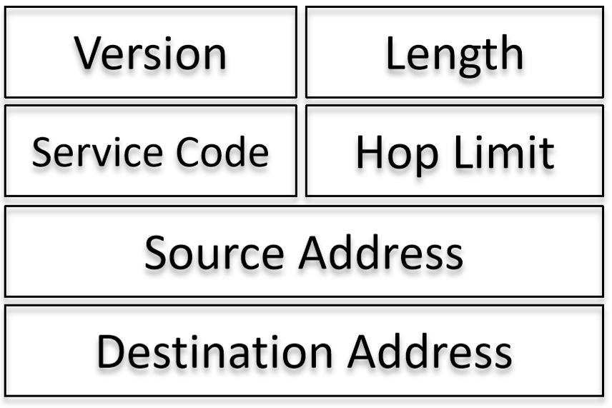

7+8+9+10 - Why Cloud Computing
Item | Definition | Explained | ChatGPT | Notes | Pictures
The Cloud |  |  | The cloud refers to a network of remote servers connected over the internet, where individuals and organizations can store, manage, and access data and applications. Instead of relying on local servers or personal computers, services in the cloud are hosted and provided by third-party providers. The cloud offers scalable and flexible computing resources, allowing users to leverage computing power, storage, and applications on-demand without the need for physical infrastructure management.
Comparison of different cloud services | IaaS, PaaS, SaaS, FaaS | Cost models for each compared: PaaS: Some provider charge per used resource time* All functions built into one program £0.00000001 per ms (£0.036 per hour) Billed for at least 15min at a time FaaS: Charged per used resource time* All functions separate £0.00000001 per ms (£0.036 per hour) Billed in 100ms increments All functions billed separately IaaS: Monthly fees, or resource time often with minimum charge PaaS is £0.009 for each 15min 1 month = 30 days = 30 * 24h = 720h = 720*60min = 43,200min 43,200min/15min = 2,880 PaaS billing units PaaS at 100% utilization = 2,880*£0.009 = £25.92 per month At 100% utilization IaaS is cheaper if monthly price for same capacity is smaller than £25.92 IaaS vs PaaS: What if you use less than the 2880 billing units? For instance, no use of business app on weekends, outside office hours, … |  |  | 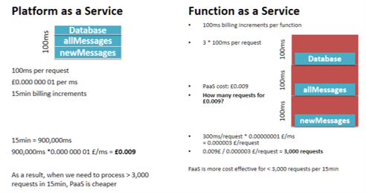
Infrastructure as a Service (IaaS) | Renting the hardware - Provides hardware - Charges for storage, CPU time, memory, data transfer, special hardware - Often per VM charge | Hardware is managed by service provider. This includes - Physical hardware maintenance - Physical security - Network infrastructure - Basic network security - Gives a lot of flexibility Usually pay a fixed fee per month. You don't need to worry about hardware, but OS and application you do need to worry aboiut | Infrastructure as a Service (IaaS) is a cloud computing model that provides virtualized computing resources over the internet. In IaaS, users can rent virtual machines, storage, and networking components on a pay-as-you-go basis. This model eliminates the need for organizations to invest in and maintain physical hardware, allowing them to scale resources up or down based on their requirements. IaaS provides a flexible and cost-effective solution for hosting and managing applications without the complexities of owning and managing physical infrastructure. | Examples: Google Cloud, AWS, Azure. You choose the OS, software. Use cases: - Complex existing systems - Complex requirements - Needs great flexibility | 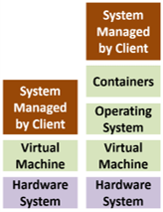
Platform as a Service (PaaS) | Renting the Middleware - Provides a software - Often per user charge | Hardware and system software is managed by the provider. This means all elements of IaaS as well as: - Operating system - Possibly container system - Runtime system for programming language - Middleware Usually only pay for the CPU time and memory. Hardware, operating system updates, database and file storage you don't have to worry about, but everything else you do | Platform as a Service (PaaS) is a cloud computing model that provides a ready-made platform allowing developers to build, deploy, and manage applications without dealing with the complexities of underlying infrastructure. In PaaS, developers can focus on coding and application development, while the cloud service provider takes care of managing the underlying hardware, networking, storage, and other infrastructure components. PaaS offers a streamlined environment for developing and deploying applications, reducing the time and effort required for infrastructure management. | Examples: Google Cloud, AWS, Azure. (almost the same thing, but you get the system software also) Use cases: - Scaling application to many users - Running an entire application, managing the application's lifecycle manually
Software as a Service (Saas) | Rending the application - Provides hardware and middleware - Similar to IaaS - Charge can per instance of application - If you have a lot of people using your service, then PaaS is probably going to be more cost effective | Everything is managed by provider - Pricing is often on a per-user basis - No maintenance by us, and No software development by us - This also means that we have No control over it (e.g. provider outage, bugs, etc) All the layers are abstracted away from us. It's pay as you go. You don't see the programming language that's being used | Software as a Service (SaaS) is a cloud computing model that delivers software applications over the internet on a subscription basis. In SaaS, users can access and use software applications without the need for installation, maintenance, or management on their local devices. The software is hosted and maintained by a third-party provider, and users typically access it through a web browser. SaaS is known for its convenience, scalability, and cost-effectiveness, as users can pay for the software on a subscription or usage basis rather than purchasing and maintaining individual licenses. | Examples: Gmail, Netflix, Slack | 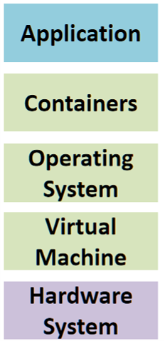
Function as a Service (Faas) | Paying for each use of the middleware function. Everything's set up, you're only having it so that another company provides the functions when they're in use - Provides hardware and middleware - Similar to IaaS, PaaS - Charge can be per function invocation - If your service isn’t popular, then paying for FaaS is probably going to be more cost effective | Like Platform as a Service but for parts of an application - More fine granular deployment Provides features of PaaS, and: - A predetermined architecture - Event-based interactions, i.e. messages - Application life cycle management - Makes function available to “users” when needed For fine granular decomposed applications - “Serverless” architecture means: no need to think about servers You expose the user to as little as possible, and only provide what they're looking for When you use FaaS, you don't necesssarily have to change the entire application altogether. You can simply decouple different parts of the system from one another. This also means that you can manage separate code bases | Function as a Service (FaaS) is a cloud computing model where cloud providers automatically manage the execution of individual functions or pieces of code in response to specific events or triggers. Also known as serverless computing, FaaS allows developers to focus solely on writing code for their functions without the need to manage the underlying infrastructure. In FaaS: - Event-Driven: Functions are triggered by events such as changes in data, HTTP requests, or system events. - Automatic Scaling: The cloud provider automatically scales the execution of functions based on demand, ensuring efficient resource utilization. - Pay-as-You-Go: Users are charged based on the actual execution of functions rather than pre-allocated resources. FaaS is particularly well-suited for applications with varying workloads and sporadic event-driven tasks, offering a more efficient and cost-effective approach to cloud computing. Popular FaaS platforms include AWS Lambda, Azure Functions, and Google Cloud Functions. | Examples: chatbots | 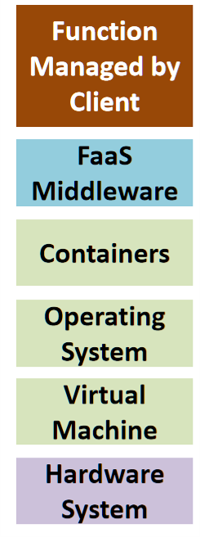
Comparison of different types of clouds | Public, Hybrid, Private, Community
Public Cloud | Available to the public - Operated by third party providers - Shared with other tenants |  |  | Example: AWS, Azure | 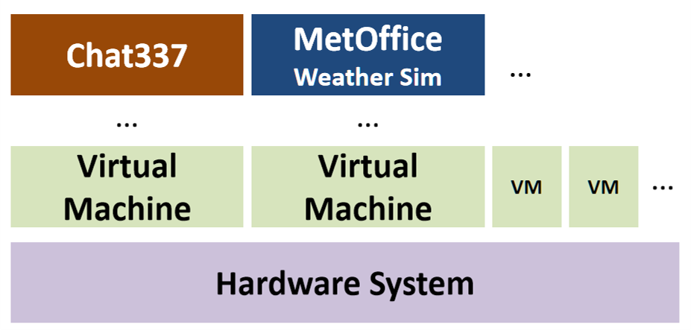
Private Cloud | Owned and operated by organision using it (e.g. internal cloud) |  |  | Example: VMWare, Kubernetes | 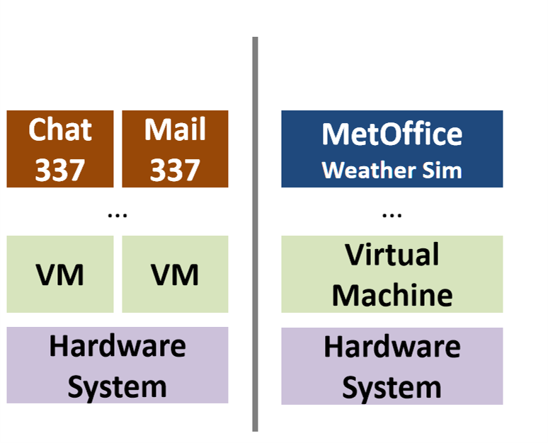
Hybrid Cloud | Combines public and private cloud - Part of the infrastructure is controlled by third- - Other part directly by the organision using it |  |  | Example: Separating confidential internal messages from other messages Has more control over security | 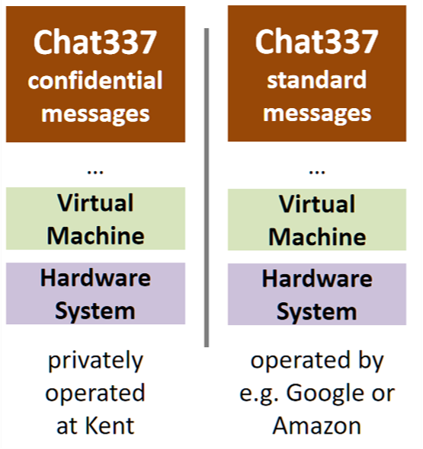
Community Cloud | Private cloud shared by multiple organisations - Owned and operated by these organisations |  |  | Example: Chat system for security research shared with project partner | 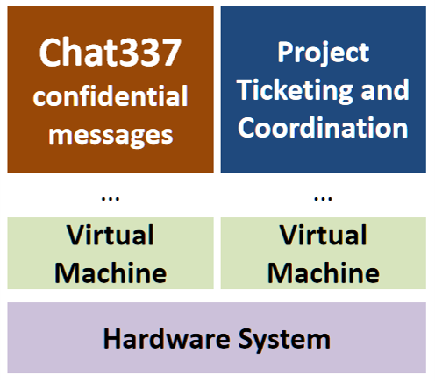
GDPR (General Data Protection Regulator) |  | Privacy rights: - To be informed - To access data about oneself - To have data erased - To restrict processing - To port data - To object to data usage | GDPR is a set of rules to make sure companies handle your personal information carefully. It gives you more control over your data, like knowing what's collected and asking to delete it. If companies don't follow these rules, they can face fines.
Security Properties (CIA) |  |  |  |  | 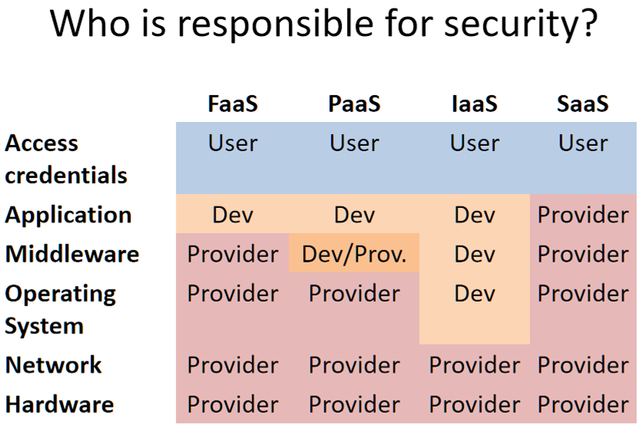
Confidentiality | Keeping the information secret, even when unauthorised access might have taken place | Data accessible only by authorized people Storage is secured against - Unauthorized access - Data leakage, i.e., available without protection - Protected with access control, or encryption Data transfer is protected - Using appropriate encryption technology - Example: using Transport Layer Security, or using end-to-end encryption
Integrity (Accuracy) | Protecting against forgery or tampering | Maintain accuracy and completeness of data Ensured by - Modification only by authorized people - Protecting storage and transfer - Keeping audit trail, log of modifications - Having backups is part of this
Availability | Keeping information and services available for access or use
Environmental impact of cloud computing |  | Environmental benefits: - Economic pressure to minimize costs (energy, cooling) - More flexibility to minimize powered-up, but idle hardware - More specialization of personnel - Scale allows investment in research Environmental drawbacks: - Large-scale data centers may require more cooling - May use old, inefficient hardware - Less control, suboptimal choices for special cases - Virtualization can cost performance/energy

11 - Distributed Systems
Item | Definition | Explained | ChatGPT | Notes | Pictures
Distributed Systems | A distributed system is one in which components located at networked computers communicate and coordinate their actions only by passing messages. | Distributed systems are defined by: - concurrency of components (able to handle multiple types of tasks) - lack of a global clock (asyncronous) - allows for an independent failures of components They consist of multiple layers | A distributed system is like a team of computers working together as one. Instead of relying on a single computer, tasks and data are spread across multiple machines connected through a network. This approach improves reliability, scalability, and performance, allowing for more efficient and flexible computing. Examples include cloud computing, where data and processing are distributed across servers, and peer-to-peer networks, where individual computers collaborate in sharing resources. | Example: MMO, Smart cities, cloud computing systems | 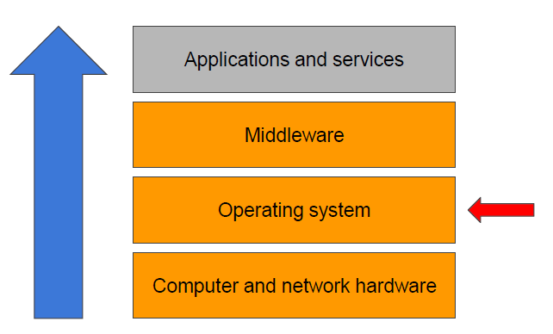
Middleware layer | The middleware layer is necessary to address the different challenges posed by distribution. - Distributed file systems, e.g., GFS, Colossus, Hadoop distributed file systems - Messaging middleware, e.g., Java Message Service, RabbitMQ, Apache ActiveMQ - Database middleware, e.g., Google Spanner, Google BigTable, Apache Cassandra - Object middleware, e.g., RMI, CORBA, etc | Middlware layer is the key to hiding the complexity of a distributed system
Heterogeneity |  |  | In distributed systems, heterogeneity refers to the diversity of hardware, software, and network components. This includes variations in operating systems, programming languages, hardware capabilities, and network types. Managing this diversity is crucial for ensuring effective communication and collaboration within the distributed system.
Openness | To what extent can the system be extended or re-implemented in different ways?
Security | How do you protect the value of data across a system?
Scalability | Will the system remain effective when there is an incrase of the number of resources/users?
Failure handling? | Can the system survive when some of its components fail? |  |  | E.g. having multiple server machines in a single data centre. If some of them fail, can the entire thing keep working without them?
Concurrency | Can the system allow several clients access to the same resource at the same time? |  |  | e.g. airline booking service
Transparency | How to hide the complexity of the system to its users?
Quality of service | How can the system meet specific guarantees, such as with respect to reliability, security, performance, etc?
Entities and communication | 1. What are the entities that are communicating in the system? - Java Objects, web services, processes, sensors, computers,... 2. How do these entities communicate: - Inter process communication via a protocol (e.g., socket - Remote invocation via a middleware (e.g., remote procedure/method call). - Group communication, via a middleware, e.g., publish subscribe middleware. 3. What roles do entities have in the overall architecture? - Client server, peer to peer,... - Can these roles change? How? 4. How is each entity mapped to the physical architecture - Backup - One service to multiple servers - VM placements - Mirroring, caching, etc - Mobile code (e.g., applets) |  |  | Example: data centre - Entities : physical machines (hosts) - Communication : via a Middleware (distributed file system) - Roles : choose master node(s) (dynamic, in case of failures) - Mapping : hosts that communicate with each other often should be placed on the same racks. Example: Chat337: - Entities : user side applications and one server - Communication : HTTP requests - Roles : client vs. server (static) - Mapping : depends on performance requirements (e.g., keep server close to client)
Different types of computer architecture | Centralised architecture (e.g., client server) - Server : entity that implements a specific service (e.g., file server) - Cient : entity that requests a service from a server (by sending a request) Decentralised architecture (e.g., peer to peer) - Clients or servers are split up into logically equivalent parts, - but each part is operating on its own share of the data set. - Entities may act as client and server at the same time. Hybrid architecture - Combination of client server and decentralised architectures. - Example: BitTorrent uses a “ global directory ” (centralised) to bootstrap a a file exchange through a peer to peer network (decentralised)
Client-Server Architecture | Completely centralised way of doing things (I am on one end, the centralised database is on the other end. Most applications that we think about use on a daily basis follow this architecture) |  |  |  | 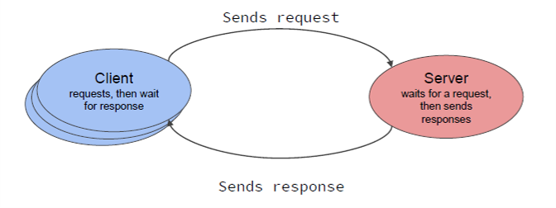
Decentralised (or Unstructured) peer-to-peer architecture | Basically just think of bittorrent | Because the responsibility is less centralised, if one computer goes down, then it's not entirely game over | Decentralized (or Unstructured) peer-to-peer (P2P) architecture is a network design where computers, referred to as peers, communicate and share resources directly without a centralized authority or predefined structure. In this model, each peer has equal status, and there is no fixed organization of peers. Instead, they dynamically discover and connect to each other, facilitating decentralized data sharing and collaboration without relying on a central server. | Example: bittorrent, early Napster | 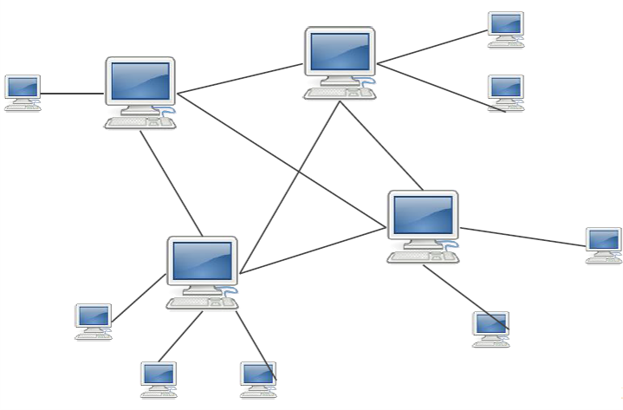
The Gangsters' Problem (basically the two generals problem, but changed to gangsters for some unknown reason) |  |  | The Gangsters' Problem involves two groups of gangsters planning a synchronized attack, with communication limited to a messenger running across town. The challenge is ensuring that the plan is delivered successfully, and both groups are aware of the successful communication. The original plan is sent, the messenger acknowledges it, and this process repeats. However, due to uncertainties in communication, it's challenging to confirm that the plan is received on both ends. The problem illustrates the difficulty of achieving complete certainty in distributed communication, and while uncertainties can't be eliminated, they can be mitigated by using strategies such as sending numbered messages to assess communication quality. The Gangsters' Problem is related to the Two Generals' Problem, and the original paper demonstrates that there's no foolproof solution to this challenge.

12+15 - Distributed Algorithms
Item | Definition | Explained | ChatGPT | Notes | Pictures
The CONGEST Model |  | Basically, it's just a model that is used in the study of distributed algorithms, specifically networks and graphs. It's not actualy relevant to most of | The CONGEST model is a way to describe how information is shared in a computer network. Imagine a network of computers or devices. In the CONGEST model, these devices communicate in synchronized rounds, like turns in a game. Each device can send a limited amount of information (a message) to its connected devices in each round. Between these rounds, devices can do their own computations independently. This process repeats until the network collectively solves a problem or completes a task. The goal is to be efficient, solving problems with minimal communication and making the best use of the limited information that can be sent in each round.
The Wave Algorithm | One of the algorithms that is used in distributed algorithms | You first off begin with a bunch of nodes connected to one another, and a leader node that starts the algorithm. Next, you do the first wave, which is to say that it sends a message down all the paths that it has, and then then confirms itself as the boolean done. It turns on all the nodes next to it, stops transmitting, and the nodes that the leader turned on, it activates, each one of those spreading their own waves, and taking another turn. This continues until all the nodes have been activated and turned on. | The wave algorithm is a simple and widely used algorithm for distributed systems. The basic idea is that a "wave" of messages is propagated through the system, and each node or process processes the message and possibly sends out new messages. This can be used for tasks such as broadcasting information, synchronization, or agreement protocols. Here is a high-level overview of how a basic wave algorithm might work: - Initiation: One or more nodes initiate the wave by sending a message. - Propagation: Each node that receives a message processes it and, if necessary, sends out new messages to its neighbors. - Termination: The wave continues until a termination condition is met. This condition could be a certain number of rounds or a specific state reached by all nodes. - Wave algorithms are often employed in scenarios where nodes need to reach a common agreement or share information across the distributed system. They are used in various distributed applications, including consensus algorithms, group communication protocols, and fault-tolerant systems. | Basically, it's like the leader is the first one to sneeze, infecting everyone else around them. This represents t=1. then everyone who caught the sneeze sneezes themselves, spreading it to the adjacent people also. T=2. It ends when everyone has sneezed. | 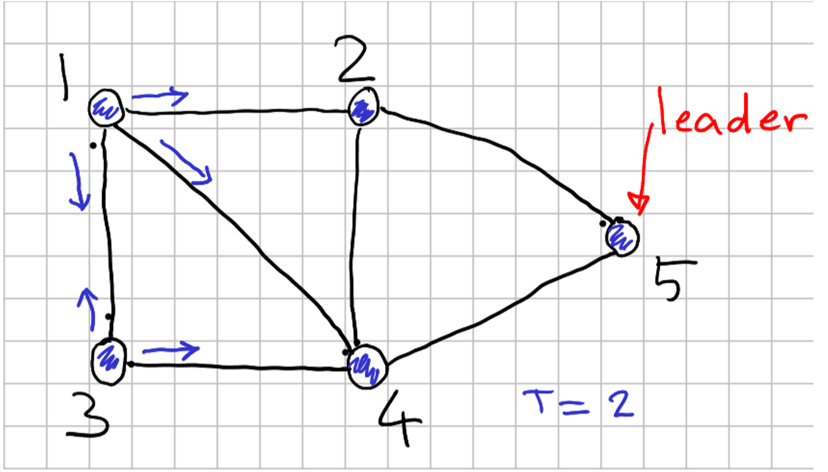
The Breadth First Search Algorithm (BFS Algorithm) | Another way of searching through a bunch of numbers, but this time we're doing it in layers, as well as one at a time. | First off, you start off with a leader, which you add to the list. Then you pop that leader from the list and add the letters of the ones adjacent to it to the list. You pop those, adding that nodes adjacent value immediately afterwards. You go layer by layer. | How do nodes determine who is going to be the leader? 1. Everybody Starts Equal: Imagine you have a group of computers or nodes in a network. Initially, no one is the "leader"; everyone is equal. 2. Someone Wants to Lead: At some point, one node decides it wants to be the leader. It sends a message to all other nodes saying, "Hey, I want to be the leader!" 3. Checking with Neighbors: Other nodes receive the message and check if they want to be the leader. If a node gets a message and thinks, "I'm more important than the one who sent this," it says, "No, I want to be the leader." 4. Choosing the Most Important: The node that sent the initial message checks if anyone else thinks they're less important. If everyone else says, "You're more important than us," then congratulations, it becomes the leader! 5. Informing Others: The new leader tells everyone, "I'm the leader now!" All nodes accept this decision and acknowledge the new leader. This process ensures that eventually, one node becomes the leader, and all nodes agree on who the leader is. It's like a group of friends deciding who should be the captain when playing a game – they discuss, compare, and agree on the most suitable person for the role. | We are also saving a few statistics, such as the distance between the leader and the final child node. TLDR every node is checking whether the adjacent node is cool, then either transmitting this further down, or just leaving it
The All Pairs Shortest Path Algorithm (aka Depth First Search) | Just watch BroCode explain it: https://www.youtube.com/watch?v=by93qH4ACxo | It's like if you're going through a maze and you tell yourself at every turn you're going to go right. If you end up returning to where you had already once begun (that is to say you're at a point you've already gone to, then you can select the next right (or next unturned corner). You do this until you reach the end. It's pretty hard to explain in words, better in pictures | Question 1: Why do BFSs triggered by the token not collide? Simple Answer: When a token triggers a BFS (like a task to explore a network), nodes take turns to use it. Imagine a talking stick – only the one holding it can talk. In the same way, the token ensures that only one node does the BFS at a time. This orderliness prevents them from colliding, like people talking over each other. Basically, it's like they're all taking turns to do their own BFS. Question 2: Why are the BFSs used to elect a leader not sufficient to also compute distances (and shortest paths) between all pairs of nodes? Simple Answer: Deciding on a leader (like picking a team captain) and finding distances between all pairs of nodes (like figuring out how far places are from each other) are two different jobs. The leader is chosen based on some rules, while distances involve more complicated calculations. The methods used for each task are like having different tools for different jobs – one for picking a leader and another for measuring distances. |  | 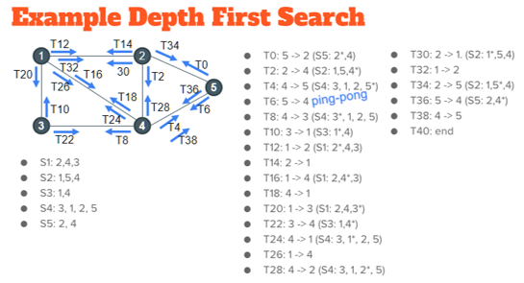

18 - Distributed File Systems
Item | Definition | Explained | ChatGPT | Notes | Pictures
File | The components of a file include: - Name (usually filename and extension) - Content (a list of bytes) - Type (regular, directory, etc) - Attributes (owner, permissions, current size, creation time, etc. Basically metadata)
Contiguous Allocation | Think of it like you're storing books in a bookshelf | It's basically like you've got a bookshelf with books. When you take out a book (delete a file), you've actually created a gap in the bookshelf where a book once stood. If you want to add a new book to the shelf, you'll first of all go through all the gaps in the bookshelf and see whether there is a large enough space in the bookshelf in order to fit it in. If there is enough space, you put it in that space. If not, then you'll have to add it onto the end | Contiguous allocation is a disk storage allocation method where files are stored in consecutive blocks or sectors on a storage device. This means that the file occupies a contiguous sequence of storage locations without any gaps in between. Let's break down the concept using a simple analogy: Analogy: Bookshelf Storage Imagine you have a bookshelf (representing a storage device), and each book on the shelf is like a file on the disk. Contiguous Allocation: - In a contiguous allocation system, each book is placed next to the previous one, with no empty spaces in between. - If a book is too big to fit on the current shelf, it might need to be split across multiple shelves in a consecutive manner. File Size Consideration: - When you add a new book (create a new file), the system looks for a big enough space on the shelf to accommodate the entire book. - If there's not enough space in one continuous section, the system looks for multiple adjacent spaces to store the entire book. Advantages: - Easy to implement and efficient for reading or writing large files since the system can access the entire file sequentially. - Reduces fragmentation (empty spaces) on the disk, which can enhance performance. Disadvantages: - Can lead to wasted space if the available storage is not exactly the size of the file. - Fragmentation can occur over time as files are deleted and new ones are added. Real-World Example: If you think of a book as a file and each shelf as a section of the disk, contiguous allocation is like placing the entire book on one shelf, utilizing the space efficiently. However, if the book is too big for one shelf, it might be split across consecutive shelves. In computer systems, contiguous allocation is used in certain file systems, and it's one of the strategies for organizing and managing data on storage devices. | The way to improve/fix this issue is through a process called defragmentation, which basically organises all the files so the spaces aren't there. Imagine with the bookcase example, you're basically pushing all the books towards one another, leaving no gap between them, but ensuring a larger gap near the end. This method is most used on Windows machines
Linked List Strategy | An alternative to the contiguous allocation | It looks kind of complicated, but it's actually pretty simple. For simplicity sake, each bit in memory can be separated into three different things: data, an address location (which leads to more data), or empty data. If you imagine it like houses. The empty data is you knocking on the door of a house and finding nothing, so that's future space for something else. The data is when you knock on the door, someone answers, and gives you data. The address location is like knocking on the door of a house, and the person answers "go over to that street for more data". They are giving you information, but really they're just telling you where the additional data is. Computerphile addresses this pretty well tbh: https://www.youtube.com/watch?v=_jQhALI4ujg | Metadata Management: The master server maintains metadata, which includes information such as file-to-chunk mappings, locations of replicas, and other essential details about the file system. When a client needs to read or write data, it first contacts the master server to obtain metadata related to the operation. Chunk Location Lookup: Upon receiving a request from a client, the master server provides the client with the locations (IP addresses) of the chunk servers storing the relevant data chunks for the requested file. The client then communicates directly with these chunk servers to access the data. Coordination and Control: The master server coordinates various operations within the GFS cluster, such as file creation, deletion, and replication. It ensures data consistency and integrity by managing the placement and replication of data chunks across chunk servers. Fault Tolerance and Recovery: The master server plays a crucial role in fault tolerance and recovery mechanisms within GFS. It monitors the health and availability of chunk servers, detects failures, and initiates recovery processes such as chunk migration or replication to maintain data availability and system reliability. Metadata Caching: To improve performance and reduce latency, clients may cache metadata obtained from the master server locally. This caching mechanism allows clients to retrieve metadata more quickly for subsequent operations without needing to contact the master server repeatedly. | Used for Unix (meaning Linux and Mac) | 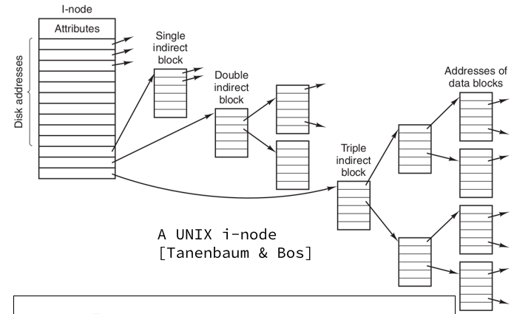
Google File System (GFS) | It's a distrubuted file system that is optimised to deal with: - Frequent component failures (e.g. bugs, servers, switches, etc) - Multi-gigabyte files - Append-mostly data Also, it's built with specific user applications in mind | Files are divided into chunks (fixed size) - Each chunk is given a unique identifier - Chunkservers store chunks on their local disks - Because machines can fail at any time, each chunk is replicated on multiple chunk servers - GFS has a master server that basically has all the metadata. It also manages migration of chunks between chunkservers (it's like the conductor of an orchestra). There is only one active master at once, but the state of the master is replacated on several machines, meaning that if the active master server goes down, backups are immediately made available | Metadata Management: The master server maintains metadata, which includes information such as file-to-chunk mappings, locations of replicas, and other essential details about the file system. When a client needs to read or write data, it first contacts the master server to obtain metadata related to the operation. Chunk Location Lookup: Upon receiving a request from a client, the master server provides the client with the locations (IP addresses) of the chunk servers storing the relevant data chunks for the requested file. The client then communicates directly with these chunk servers to access the data. Coordination and Control: The master server coordinates various operations within the GFS cluster, such as file creation, deletion, and replication. It ensures data consistency and integrity by managing the placement and replication of data chunks across chunk servers. Fault Tolerance and Recovery: The master server plays a crucial role in fault tolerance and recovery mechanisms within GFS. It monitors the health and availability of chunk servers, detects failures, and initiates recovery processes such as chunk migration or replication to maintain data availability and system reliability. Metadata Caching: To improve performance and reduce latency, clients may cache metadata obtained from the master server locally. This caching mechanism allows clients to retrieve metadata more quickly for subsequent operations without needing to contact the master server repeatedly. | Entities: user-level apps running on commodity servers Communication: - TCP protocol for read/write on chunks - (Probably) UDP for heartbeat messages Roles: master, replicated master, chunkserver, client applications (fixed roles, except for (replicated) master) Mapping: - Master should be replicated (different machines/racks) - Chunkservers storing same chunks should be on different racks - Client applications can run on same nodes as chunkserver
Strict consistency | Says an update on the same piece of data stored in multiple areas at once (e.g. on the cloud) must be seen instantly by other data.
Eventual consistency | Says an update on the same piece of data stored in multiple areas at once (e.g. on the cloud) doesn't have to be immediately updated, and it's allowed to take its time

19 - Parallelisation
Item | Definition | Explained | ChatGPT | Notes | Pictures
Parallelisation | Allows you to perform multiple operations at the same time on a computer. | When you do parallelisation, one of the things you need to know is if two processes are dependent on one another, or whether they are entirely separate operations. - We are actually asking, in fact, whether or not pairs of instructions can be executed safely in parallel - If they can't be, then there's data dependency, and that's gonna be an issue |  | We need to make sure to preserve data dependencies when we do our programming. If we swap the order of a read/write, will it affect the final output of our program? If not, then that's fine and we can then very easily add loops to our program if we so desired. P1 can be executed safely in parallel with P2 if and only if: P1;P2 ≈ P2;P1 | 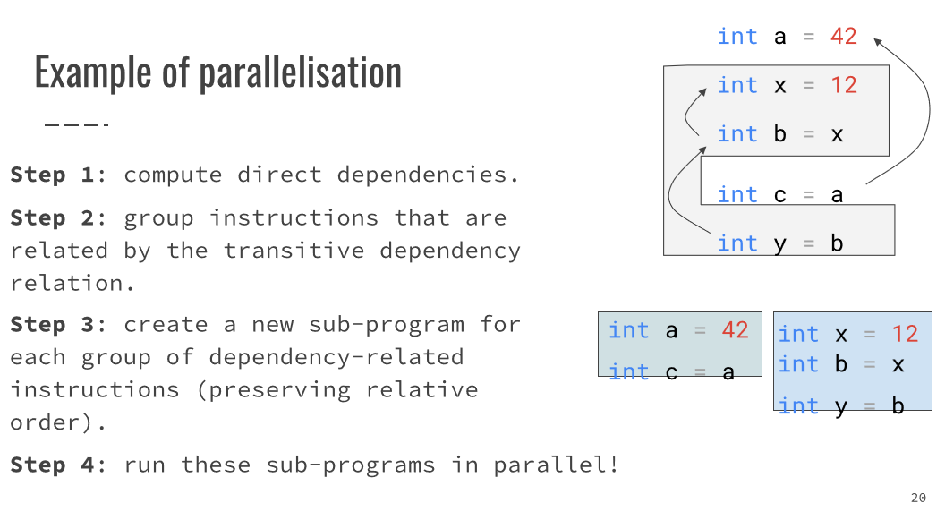
Transitive dependencies | Basically when a variable indirectly depends on another variable. E.g. int a = 42 // P1 writes to a int b = a // P2 reads from a int c = b // P3 reads from b

20 - MapReduce and PageRank
Item | Definition | Explained | ChatGPT | Notes | Pictures
PageRank | The original algorithm (been changed a bit since then) that Google uses for search. It ranks pages based on how many links on the internet connect to a specific website. If there are more links, then you get seen sooner in the search. Fewer means you appear lower in the Google search | Initially each page has a credit of 1. At each time step each page splits its credits equally among its outgoing links, and sends that credit along the links | Imagine you're in a big playground with lots of friends. Each friend has a piece of paper and a pencil. Now, everyone wants to know who the most popular friend is. PageRank is like a game where each friend writes down the names of their friends on their paper and then decides how much they like each friend. If a friend is really popular and well-liked, they get more points. The more points you get, the higher your PageRank. But it's not just about how many friends you have. It's also about the quality of your friends. If a popular friend likes you, that's even better for your PageRank. Now, here's the twist: when your friend writes down their list, they also look at the lists of their friends and see who they like. So, if a popular friend likes someone, that someone gets more points, and the popularity spreads. This process keeps going, with everyone updating their lists based on their friends' lists. Eventually, the friend with the highest points is the most popular in the whole playground, according to the PageRank game. In the real world, instead of friends, we have web pages on the internet, and instead of liking, it's about how many other pages link to you and how important those pages are. PageRank helps search engines figure out which web pages are the most popular and relevant when you're looking for something on the internet. | The algorithm is kind of confusing (shown on the right), but once you get it, you get it. We first create rules for each of the nodes: how many arrows point towards it, fractionalise it like it's explained, and then just iterate the amount. | 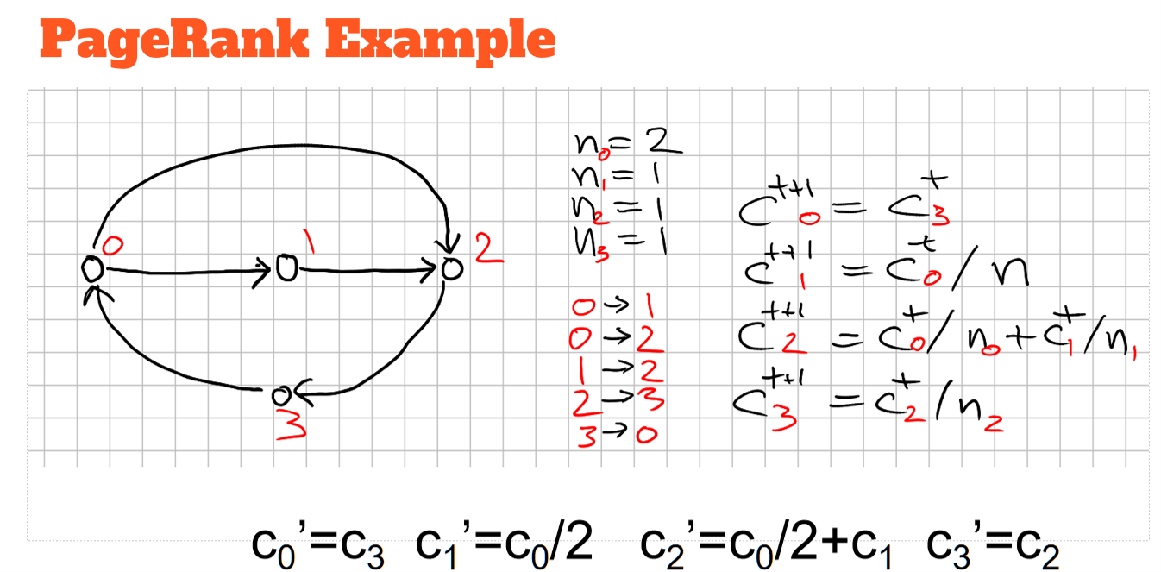 | 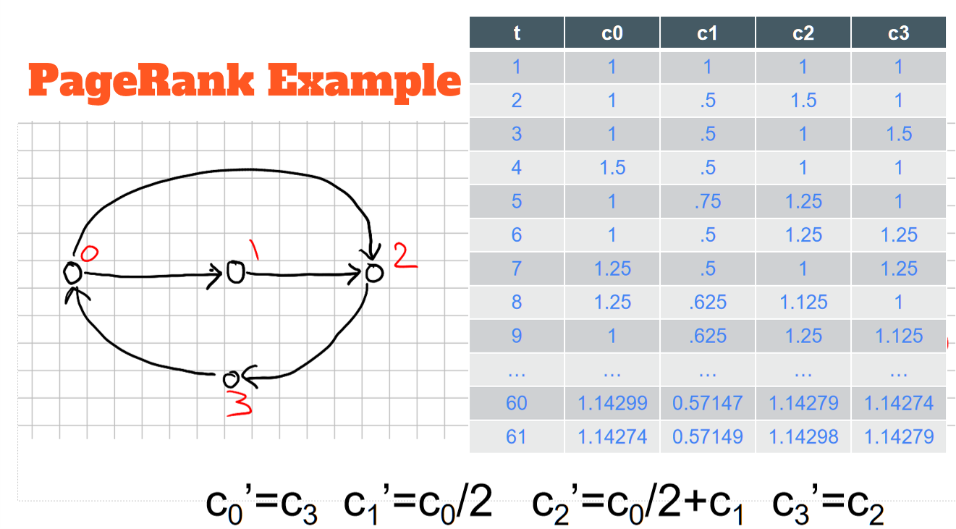
MapReduce |  | The main components that the programmer defines are: Map: How to turn one element into a list of (key, value) pairs (often just one). Reduce: How to combine two values into one value. The framework turns these into the following tasks: Mapper: Takes a chunk of elements and maps each element in the chunk into a (key, value) pair list. Reducer: Takes a group of values (having the same key) and combines them into one value. | Example of how the data changes from stage to stage: pages = [(1, "abc"), (2, "bcd"), (3, "acdef")] map stage: [(1, a), (1, b), (1, c), (2, b), (2, c), (2, d), (3, a), (3, c), (3, d), (3, e), (3, f)] reduce_stage = [ a: [1, 3], b: [1, 2], c: [1, 2, 3], d: [2, 3], e: [3], f: [3] ] | It's kind of a confusing thing, but another way to look at it is: what can you use it for? Given a big file with integers - Compute the average - Remove duplicates - Count the number of distinct integers in the input Given a set of documents, each consisting of words - Count how many times each word occurs - Compute for each word the list of documents in which it appears Most common thing it could be used for is word count Final thing to know about MapReduce is that the reduce operation should be communitive and associative, that is to say: the order you do it in doesn't matter, and the way in which you group the operations doesn't matter (e.g. 2 + (3 + 4) is the same as (2 + 3) + 4). If it isn't communitive and associative, then you're gonna have a bad time
Chunking |  |  | Imagine you have a lot of roads going from one place to another. We want to organize these roads into groups based on where they start. Each group has only a few starting points. For each starting point, we want to know two things: how much stuff is already there (let's call it old credit), and how many roads are going out from there. To make it easy for the person managing this information (let's call them the Mapper), we make sure each group of roads is small enough to fit in their memory. This grouping process is sometimes called "sharding." Now, here's the thing: sometimes people decide how to group these roads, but if they don't, it's done in a random way. So, it's like putting roads into small groups, making sure each group is easy to handle, and if we don't say how to group them, it happens randomly. The idea is to make things easy to manage and share the work effectively.

